Hiearchy View
CLASS: SLOPE PROTECTION
generally arranged on favorable subgrade, and drain holes are made according to relevant requirements so as to prevent spalling and collapse of the slope due to rain scouring or weathering. |  | 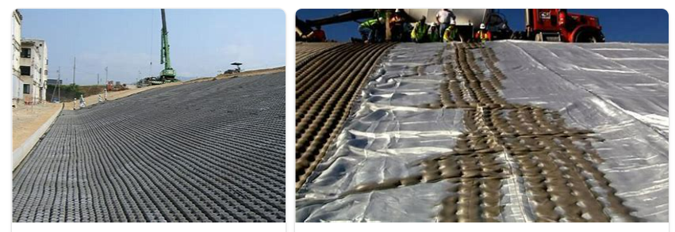
REMOVE | N

PROBLEM_DESC | CAUSE_DESC | REMEDY_DESC
BROKEN/DAMAGED
LEAKING
OTHER PROBLEM
POWER-ELEC
STOPPED/SLOWED/POOR OPS
TEMP-CTRL
VIBRATION
Grand Total

